Rules
ID | Comments | Process | Objects | Effect
ID1 |  | NormalFaulting | TensionalStress, brittle RockUnit | one normal fault is created which split the rock unit into 2 rock units: footwall=rock unit A and hangingwall=rock unit B, a vertical movement of the hangingwall downwards; tensional stress is removed from the configuration
ID2 |  | ReverseFaulting | CompressionalStress, brittle RockUnit | a reverse fault is created which split the rock unit into 2 rock units: footwall=rock unit A and hangingwall=rock unit B, a vertical movement of the hangingwall upwards; compressional stress is removed from configuration
ID3 |  | Strike-slipFaulting | ShearStress, brittle RockUnit | a strike slip fault is created which split the rock unit into 2 rock units: rock unit A and rock unit B, a lateral movement of the 2 rock units; shear stress is removed from the configuration
ID4 |  | Folding | CompressionalStress, ductile RockUnit | the rock unit is bended, an anticline is created, compressional stress is removed from configuration
ID5 |  | Weathering | Rock unit, water, air | Rock unit is broken down into sediments
ID6 |  | Erosion | (Exposed) Rock, rivers, wind, currents, waves, tides | a part of the RockUnit is removed, a transport process of the removed rock is created
ID7 |  | Deposition | Eroded rock, rivers, currents, air | a (new) rock unit is created, the transport process is removed from configuration
ID8 |  | Hydrocarbons generation | source rock, organic matter, rapid burial, (enough) overburden pressure, temperature | hydrocarbons are generated, pressure increases, source rock fractures
ID9 |  | Hydrocarbon migration - accumulation | source rock, hydrocarbons, migration, migration pathway, trap | accumulation of hydrocarbons inside a trap
ID10 | Structural traps | Anticlinal trap | R1 reservoir rock: anticline; R2 cap rock: anticline and in contact with (above) reservooir rock R1 | Trap formation (R1); R1, R2, unchanged
ID11 |  | Sealing fault-depend trap | F fault: sealing fault (type of fault not important for this case), R1 reservoir rock, is dipping away from the fault, R2:cap rock in contact with (above) reservoir rock | Trap formation (R1); R1, R2, F unchanged
ID12 |  | Non-sealing fault-depend trap (only seal rock as lateral contact, on the other side of the fault) | F non-sealing fault (type of fault not important for this case); R1 reservoir rock: is dipping away from the fault, R2 Cap rock in contact with (above) reservoir rock R1, R3 Seal rock is on the other side of the fault F and in lateral contact with the R1 | Trap formation (R1); R1, R2, R3, F unchanged
ID13 |  | Non-sealing fault-depend trap (seal rock and reservoir rock as lateral contact, on the other side of the fault) | F non-sealing fault (type of fault not important for this case); R1 reservoir rock: is dipping away from the fault, R2 Cap rock in contact with (above) reservoir rock R1, R3 Seal rock is on the other side of the fault F and in lateral contact with R1, on the upper part; R4 Reservoir rock is on the other side of the fault F, in lateral contact with reservoir rock R1, and in contact with Seal Rock R3 (R4 below R3); R4 Reservoir Rock: anticline | Trap formation(R1, R4): on both sides of the fault F, R1, R2, R3 , R4 and F unchanged
ID14 |  | Submarine fan deposition | Source of sediments, slope, channelized turbidity currents and debris flow, accommodation space (basin) | Submarine fan (made up mostly of turbidites)
ID15 |  | High-density turbidite deposition | Source of sediments, slope, high-density turbidity current, accommodation space (basin) | High-density turbidite
ID16 |  | Low-density turbidite deposition | Source of sediments, slope, low-density turbidity current, accommodation space (basin) | Low-density turbidite
ID17 |  | Definition of throw (vertical Separation) | Fault F, hangingwall(TopSeal R1.2, Reservoir rock R2.2), footwall(TopSeal R1.1, Reservoir rock R2.1), , footwall moves down | Throw (vertical separation beween the footwall and the hangingwall)
 |  |  |  | If the throw > or = thickness of the ReservoirRock R2.1 -> R2.1 is in lateral contact with (only) LateralSeal R1.2
 |  |  |  | If the throw is < thickness of the ReservoirRock R2.1 -> R2.1 is in lateral contact with the LateralSeal R1.2 until the juxtaposition point and with the RreservoirRock R2.2 from the juxtaposition point downward
ID18 |  | Definition of juxtaposition between 2 reservoir rock across a fault | fault F, ReservoirRock R2.1 in the footwall, ReservoirRock R2.2 in the hanging wall, Throw < Thickness of R2.1 | Juxtaposition between R2.1 and R2.2 acroos the fault F

 |  |  |  | Juxtaposition point is the point where top of R2.2 intersects R2.1
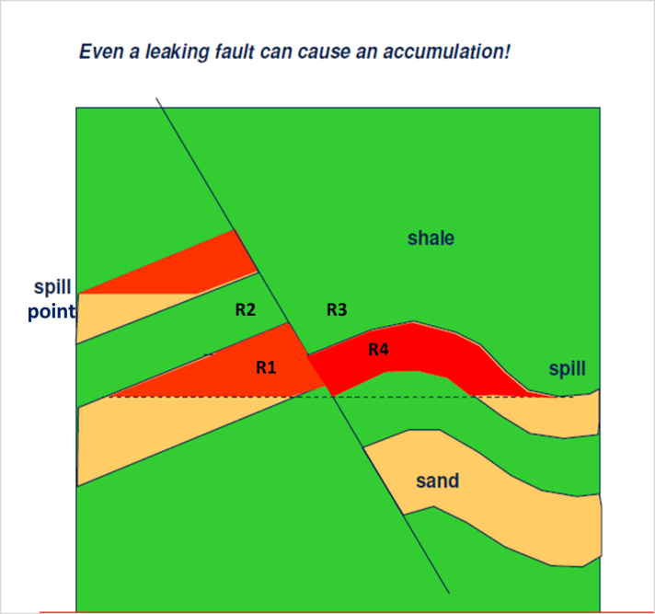
ID13
F (non-sealinf fault)
point

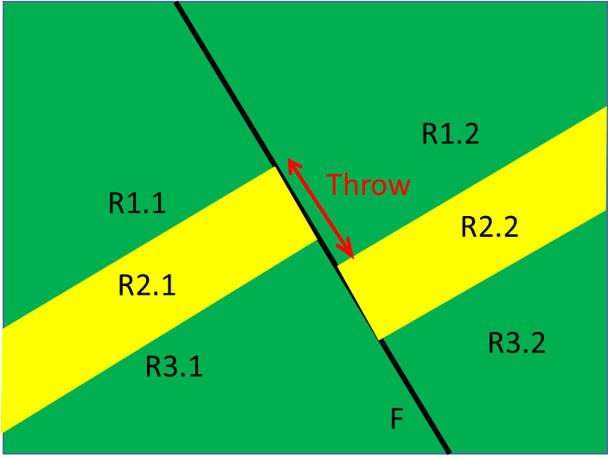
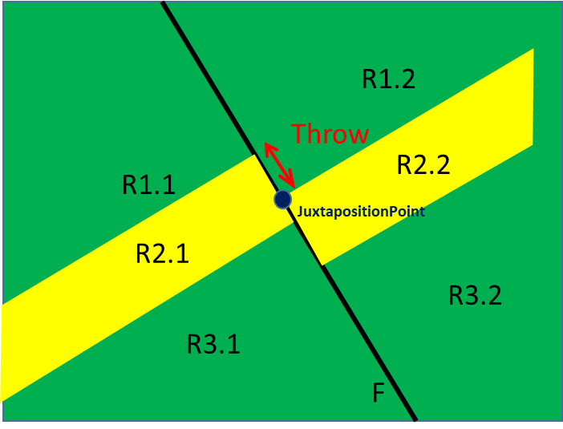
ID17
Throw > thickness of R2.1
ID17
Throw < thickness of R2.1

